Plan
Depth (Y)
Total available
 | Total required |  |  |  | Wall gap | 4
 |  | Top block |  |  | Base board | 18
 |  |  |  |  | Air gap | 2
 |  |  | Drawer |  | Drawer back | 6
 |  |  |  |  | Mirror | 4 | 1mm gap + 3mm mirror
 |  |  |  | Space inside | Glass gap | 6
 |  |  |  |  | Gin glass | 110
 |  |  |  |  | Air gap | 2
 |  |  |  |  | Front panel | 6
 |  |  |  |  | Worktop gap | 4

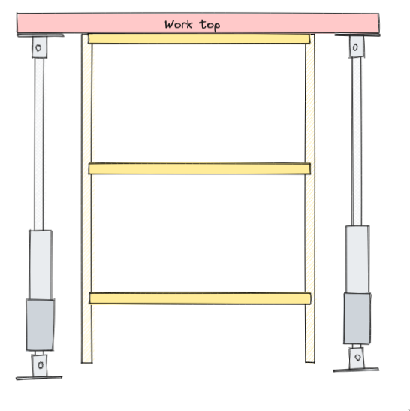
160 | 162 | 154 | 126 | 116

 |  |  | Support depth | 142 | (33% rebate in base + 6mm inserted front + both air gaps)
 |  |  | Top/bottom drawer depth | 126
 |  |  | Middle drawer depth | 116
Width (X)
Total cut-out |  |  |  | Worktop gap | 4
 | Top+back |  |  | Actuator margin | 6
 |  |  |  | Actuator | 50
 |  | Cabinet |  | Cabinet side | 18
 |  |  |  | Draw runners (sunk) | 15 | 19mm, with 4mm rebate on side supports
 |  |  | Draw | Draw side | 18
 |  |  |  | Mirror | 787 | 841 native
 |  |  |  | Mirror gap | 1
 |  |  |  | Draw side | 18
 |  |  |  | Draw runners (sunk) | 15
 |  |  |  | Cabinet side | 18
 |  |  |  | Actuator | 50
 |  |  |  | Actuator margin | 6
 |  |  |  | Worktop gap | 4

1010 | 1002 | 890 | 824
 | 1003 max

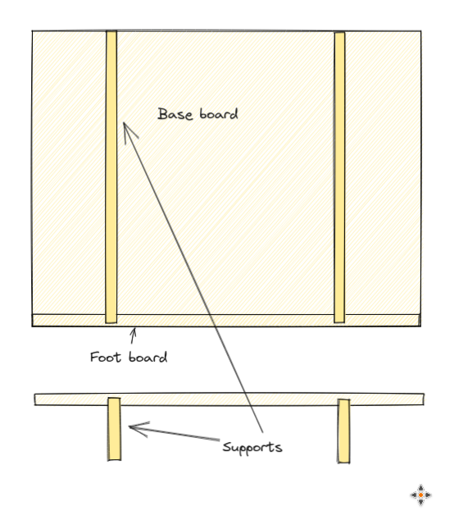
 |  | Draw back panel | 799 | (33% rebate)
 |  | Middle shelf | 799 | (33% rebate)
 |  | Top/bottom shelf | 799 | (33% rebate)

Draw Height
Total height |  | Worktop | 40
 | Draw | Top board | 18
 |  | Mirror | 594
 |  | Mirror gap | 1
 |  | Bottom board | 18
 |  | Extra (rails) | 114 | Rails 754mm | Bottom shelf bottom offset from bottom
 |  |  |  |  | Middle shelf top side 360mm from top of side
671 | 631 | 631
 |  | Draw back panel | 612 | (50% rebate)
 |  | Draw sides height | 745

Full Height (Z)
Total |  | Worktop | 40
 | Base | Actuator + brackets | 900
 |  | Foot board | 18

958 | 918
(970 max)
 |  | Side support height | 912 | (33% rebate)

